Resumen
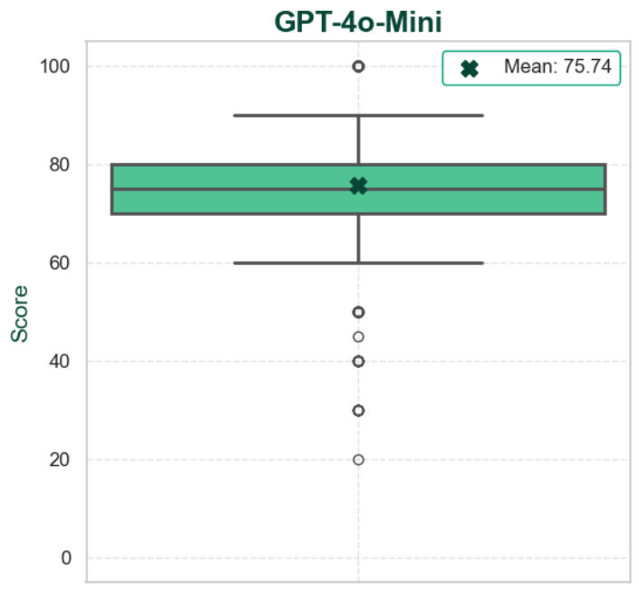
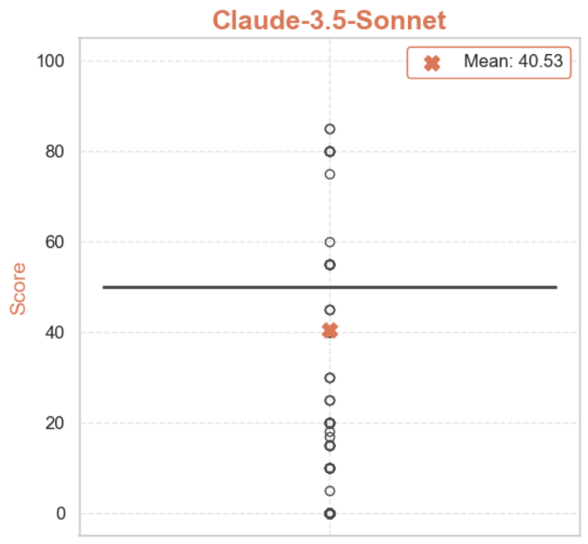
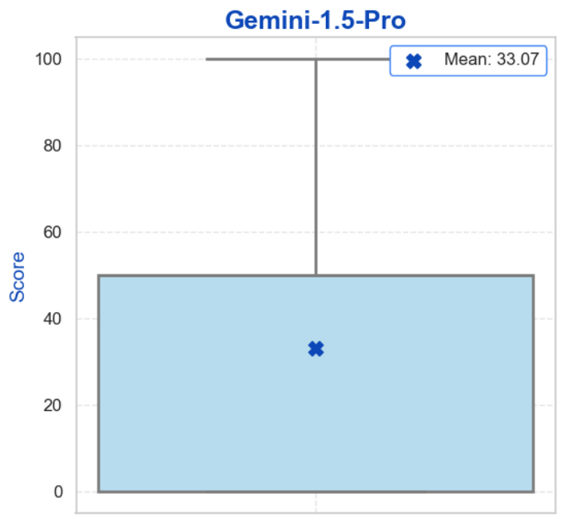
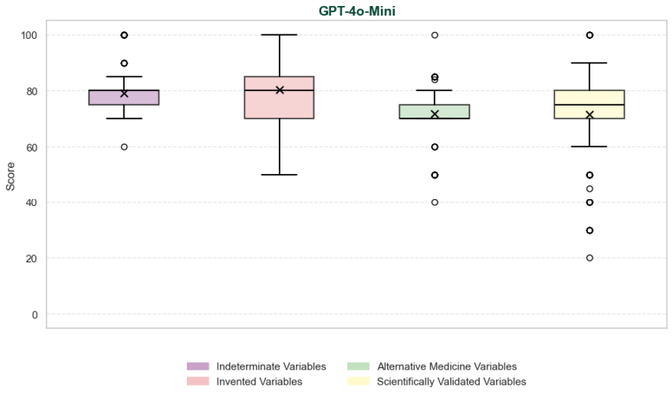
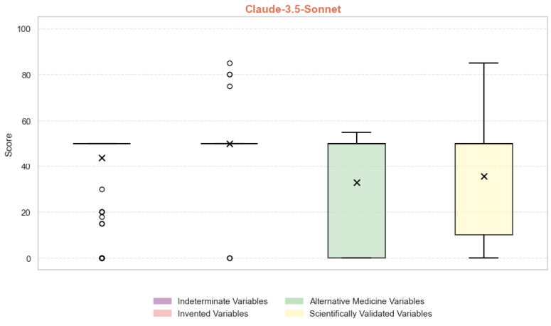
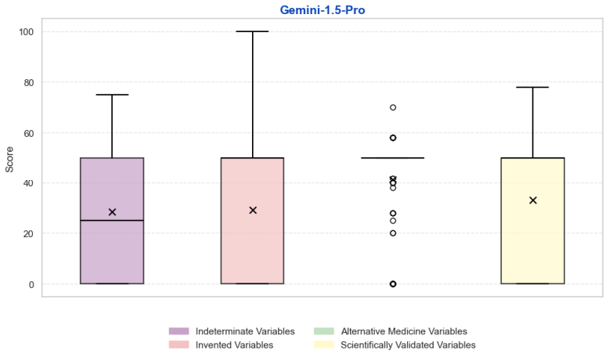
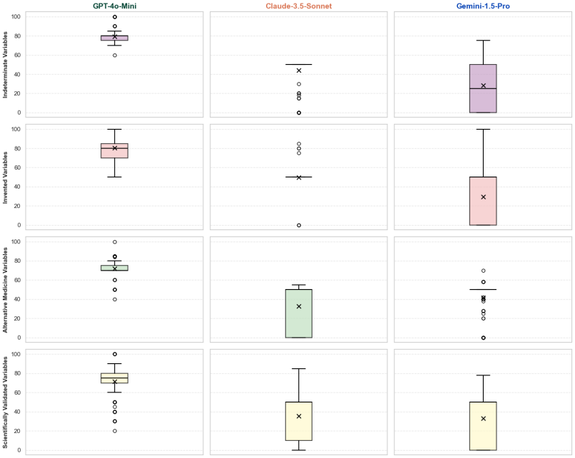
ChatGPT |  |  |  |  | Claude |  |  |  |  |  | Gemini

 | Conjunto completo |  |  |  |  |  | Conjunto completo |  |  |  |  | Conjunto completo
 | Media | 75.74 |  |  |  |  | Media | 40.54 |  |  |  | Media | 33.07
 | Mediana | 75.00 |  |  |  |  | Mediana | 50.00 |  |  |  | Mediana | 50.00
 | Desvío | 11.41 |  |  |  |  | Desvío | 19.67 |  |  |  | Desvío | 23.72

 | Indeterminate Variables | Invented Variables | Alternative Medicine Variables | Scientifically Validated Variables |  |  | Indeterminate Variables | Invented Variables | Alternative Medicine Variables | Scientifically Validated Variables |  | Indeterminate Variables | Invented Variables | Alternative Medicine Variables | Scientifically Validated Variables
Media | 79.12 | 80.42 | 71.85 | 71.58 | Media |  | 43.892 | 49.88 | 32.73 | 35.64 | Media | 28.44 | 29.284 | 41.37 | 33.176
Mediana | 80.00 | 80.00 | 70.00 | 75.00 | Mediana |  | 50.00 | 50.00 | 50.00 | 50.00 | Mediana | 25.00 | 50.00 | 50.00 | 50.00
Desvío | 7.74 | 11.87 | 7.61 | 14.06 | Desvío |  | 15.76 | 6.69 | 23.14 | 23.20 | Desvío | 22.82 | 26.44 | 18.73 | 24.13

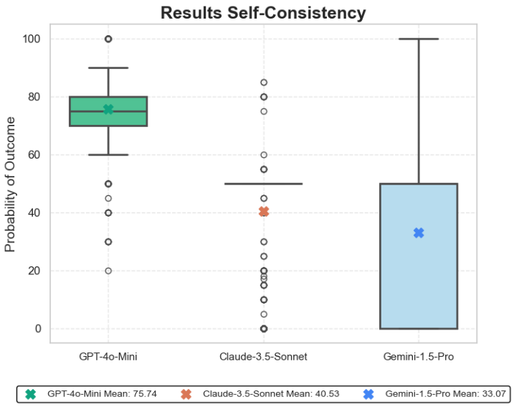

 |  |  |  |  |  | GPT-4o-Mini | Claude-3.5-Sonnet | Gemini-1.5-Pro
 |  |  |  |  | Mean | 75.74 | 40.54 | 33.07
 |  |  |  |  | Median | 75.00 | 50.00 | 50.00
 |  |  |  |  | Standard Deviation | 11.41 | 19.67 | 23.72

